Power Budget
Power Budget

 |  | Component | Min (mA) | Nom (mA) | Max (mA) |  | Summary
 | +5V | Loads |  |  |  |  | Rail | Min (mA) | Nom (mA) | Max (mA)
 |  | +5V power good LED (debug) | 1.05 | 1.06 | 1.07 |  | +5V | 263.899 | 286.622 | 368.500
 |  | Teensy 4.1 consumption | 90 | 100 | 110 |  | +3V3 | 4.161 | 11.328 | 12.382
 |  | +/- 15V (TPS65131) boost quiescent current | 0.5 | 0.5 | 0.724 |  | +12V | 35.158 | 36.329 | 55.141
 |  |  |  |  |  |  | -12V | 9.692 | 10.000 | 10.012
 |  |  |  |  |  |  | +5V_A | 1.100 | 1.860 | 2.370
 |  | Derived Voltage Rails |  |  |  |  | +1V8_A | 0.005 | 1.980 | 2.700
 |  | +15V boost --> +12V LDO | 131.84295 | 136.23375 | 206.77875
 |  | -15V boost inverting --> -12V LDO | 36.345 | 37.5 | 37.545
 |  | +3V3 (LDO on Teensy) | 4.16086 | 11.328 | 12.382

 |  | Totals | 263.89881 | 286.62175 | 368.49975 | Must stay below 500mA to respect USB 2.0 spec!

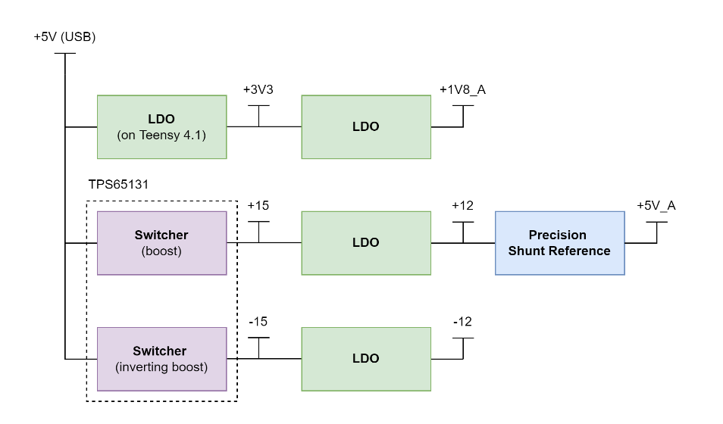
 | +3V3 | Loads
 |  | MCP33151-10 ADC x 3 (DVio) | 0.00036 | 1.2 | 1.5
 |  | MCP23008 IO Expansion x 4 | 0.008 | 4 | 4
 |  | Relay driver HIGH pull-down in driver | 0.792 | 0.792 | 0.792
 |  | +3V3 power good LED (debug) | 3.3 | 3.3 | 3.3
 |  | +1V8_A LDO quiescent draw | 0.05 | 0.05 | 0.075
 |  | MCP9700T temperature sensor quiescent draw | 0.006 | 0.006 | 0.015

 |  | Derived Voltage Rails
 |  | +1V8_A (LDO from +3V3) | 0.0045 | 1.98 | 2.7

 |  | Totals | 4.16086 | 11.328 | 12.382

 | +12V | Loads
 |  | INA821 In-amp | 0.6 | 0.6 | 0.87
 |  | TLV2172 Op-amp x 8 | 25.6 | 25.6 | 36.8 |  | Op Amps | Min (mA) | Nom (mA) | Max (mA)
 |  | DG408 8:1 mux x 4 | 0.04 | 0.2 | 0.3 |  | RC4580 | 6 | 6 | 9 | Results in too much current!
 |  | DG409 dual 4:1 mux x 5 | 5 | 5 | 10 |  | TLV2172 | 3.2 | 3.2 | 4.6
 |  | +12V power good LED (debug) | 2 | 2 | 3
 |  | +12V LDO quiescent draw (LDK320AM120R) | 0.07 | 0.07 | 0.1

 |  | Derived Voltage Rails
 |  | +5V_A (precision shunt reference) quiescent bias | 0.748 | 0.999 | 1.701
 |  | +5V_A rail load | 1.10012 | 1.86 | 2.37

 |  | Totals | 35.15812 | 36.329 | 55.141

 | -12V | Loads
 |  | DG408 8:1 mux x 4 | 0.004 | 0.3 | 0.3
 |  | DG409 dual 4:1 mux x 5 | 2.5 | 2.5 | 2.5
 |  | -12V power good LED (debug) | 1.188 | 1.2 | 1.212

 |  | Other
 |  | -12V LDO quiescent draw | 6 | 6 | 6

 |  | Totals | 9.692 | 10 | 10.012

 | +5V_A | Loads
 |  | MCP33151-10 ADC x 3 (VREF) | 0.00012 | 0.66 | 0.87
 |  | +5V_A power good LED (debug) | 1.10 | 1.20 | 1.50

 |  | Totals | 1.10012 | 1.86 | 2.37

 | +1V8_A | Loads
 |  | MCP33151-10 ADC x 3 (AVDD) | 0.0045 | 1.98 | 2.7

 |  | Totals | 0.0045 | 1.98 | 2.7

Digital Input Protection
Digital Input Protection
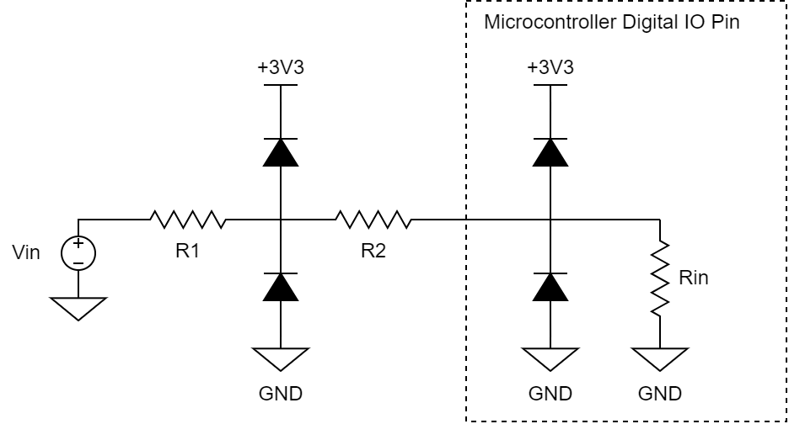
Parameter | Value | Units | Comments
Maximum design input voltage | 27 | V
Minimum design input voltage | -27 | V
Maximum design microcontroller pin source current | 15 | mA
Maximum design microcontroller pin sink current | 15 | mA

Microcontroller pin source/sink max current | 25 | mA
Microcontroller pin max voltage | 4 | V | FT pins can take up to 3.3+4 = 7.4
Microcontroller pin min voltage | -0.3 | V | All pins
External protection diode max current | 125 | mA | BAT54S rated for 200mA abs max
External protection diode forward voltage | 0.25 | V

Nominal rated input/output voltage high | 3.3 | V
Nominal rated input/output voltage low | 0 | V

Source: required R1 + R2 | 220 | Ohm | Assuming pin outputs 3.3V, short to GND
Sink: required R1 + R2 | 220 | Ohm

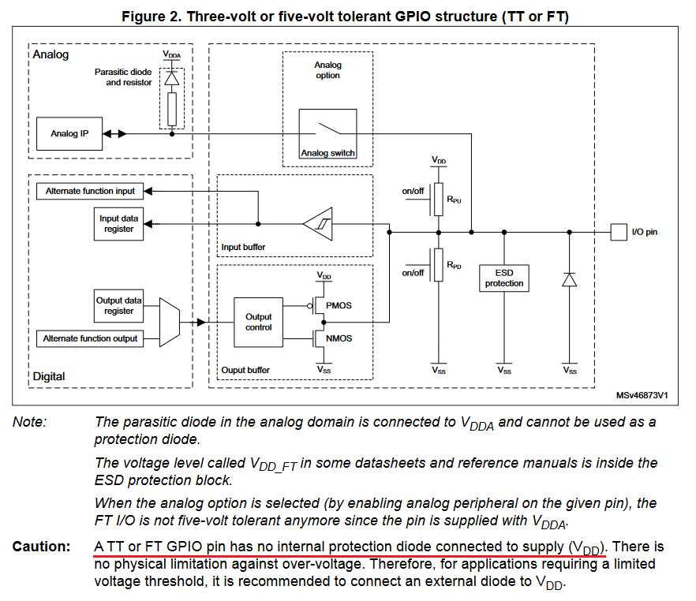
Chosen R1 | 470 | Ohm
Chosen R2 | 10 | Ohm
Resultant max input voltage | 62.3 | V
According to AN4899 from STMicro, cannot rely on internal protection diodes which may/may not exist.
Will proceed with design as if they do not exist.
Teensy 4.0/4.1 pins are all 3.3v only without overvoltage protection.
Resultant min input voltage | -59 | V
Resultant max source/sink current | 6.875 | mA

R1 max power dissipation | 7.34375 | W
Current at which Pdiss of R1 is 0.5W | 32.616 | mA
Input voltage at which Pdiss of R1 is 0.5W | 18.880 | V
Input voltage at which Pdiss of R1 is 0.5W | -15.579709717 | V

Note: not accounting for variation of diode forward voltage as function of diode current

ADC Resolution
ADC Resolution

Parameter | Value | Units | Comments | Thrust Load Cell Requirements
Minimum sensor output voltage | 0 | mV | Differential output | Minimum sensor output voltage | 0 | mV | Differential output
Maximum sensor output voltage | 100 | mV | Differential output | Maximum sensor output voltage | 23.1308 | mV | Differential output
Sensor resolution | 0.05 | mV/PSI | Voltage-output pressure transducer is 0.05mV/PSI | Sensor resolution | 0.0026 | mV/N
 |  |  |  | Sensor resolution | 0.0255 | mV/kgf | kilogram-force
Signal conditioning gain | 50 | V/V | max gain to keep output voltage within ADC Vref
 |  |  |  | Signal conditioning gain | 100 | V/V
Minimum ADC sampling voltage | 0 | mV
Maximum ADC sampling voltage | 5000 | mV |  | Minimum ADC sampling voltage | 0 | mV
ADC resolution required | 2.5 | mV/LSB | to resolve single PSI | Maximum ADC sampling voltage | 2313.075 | mV
 |  |  |  | ADC resolution required | 0.26 | mV/LSB | to resolve single N
 |  |  |  | ADC resolution required | 2.550 | mV/LSB | to resolve single kg
ADC reference voltage | 5 | V
ADC effective number of bits | 12.8 | bits |  | Max gain to work with 5V ADC | 216.16 | V/V
ADC resolution | 0.7011 | mV/LSB
PSIs resolvable | 0.2804 | PSI
N resolvable | 2.6966 | N |  |  | kN | V
 |  |  |  |  | 1 | 0.002881
 |  |  |  |  | 2 | 0.005678
Calculate ENOB |  |  |  |  | 3 | 0.008215
ADC reference voltage | 5 | V |  |  | 4 | 0.009862
ADC SINAD | 80.4 | dB | MCP33151 14-bit |  | 5 | 0.013907
ADC effective number of bits (ENOB) | 13.063 | bits |  |  | 6 | 0.01584
ADC resolution | 0.5842 | mV/LSB |  |  | 7 | 0.018864
 |  |  |  |  | slope | 0.0026 | mV/N
Calculate ENOB |  |  |  |  | max load | 8896.4432 | N
Thrust Load Cell Transfer Function
ADC reference voltage | 5 | V
ADC SINAD | 86.9 | dB | MCP33131 16-bit
ADC effective number of bits (ENOB) | 14.143 | bits
ADC resolution | 0.2764 | mV/LSB

Options
- MCP33151-10-E/MS | 14-bit SAR 1Msps SPI single-ended
- MCP33131-10-E/MS | 16-bit SRAR 1Msps SPI single-ended

Non-Inv Gain Tolerance
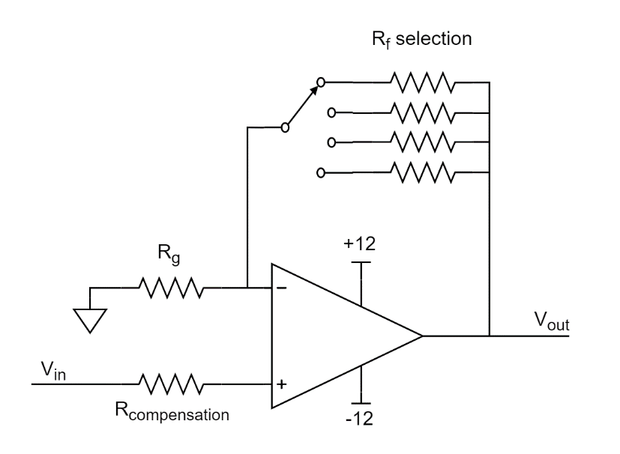
Non-Inverting Gain Stage Tolerance Calculations
 | Resolution | VREF / 2^ENOB |  |  | Analog mux: Vishay DG409
 | Vref | 5
 | ENOB | 12
 | V/LSB | 0.001220703125 | V/LSB

 |  | Tolerance | Min | Nom | Max | Units | Compensation Resistor
G = 1 V/V | Non-inverting amplifier Rf | 0.10% | 0 | 0 | 0 | Ohm | 0 | Ohm
 | Non-inverting amplifier Rg | 0.10% | 4985.01 | 4990 | 4994.99 | Ohm
 | Analog mux on-state resistance | - | 40 | 100 | 125 | Ohm
 | Gain = 1 + Rf/Rg | - | 1.008 | 1.020 | 1.025 | V/V
G = 10 V/V | Non-inverting amplifier Rf | 0.10% | 45254.7 | 45300 | 45345.3 | Ohm | 4494.8697554186 | Ohm
 | Non-inverting amplifier Rg | 0.10% | 4985.01 | 4990 | 4994.99 | Ohm
 | Analog mux on-state resistance | - | 40 | 100 | 125 | Ohm
 | Gain = 1 + Rf/Rg | - | 10.068 | 10.098 | 10.121 | V/V
G = 50 V/V | Non-inverting amplifier Rf | 0.10% | 242757 | 243000 | 243243 | Ohm | 4889.5923222711 | Ohm
 | Non-inverting amplifier Rg | 0.10% | 4985.01 | 4990 | 4994.99 | Ohm
 | Analog mux on-state resistance | - | 40 | 100 | 125 | Ohm
 | Gain = 1 + Rf/Rg | - | 49.705 | 49.717 | 49.820 | V/V
G = 100 V/V | Non-inverting amplifier Rf | 0.10% | 498501 | 499000 | 499498.9999999999 | Ohm | 4940.5940594059 | Ohm
 | Non-inverting amplifier Rg | 0.10% | 4985.01 | 4990 | 4994.99 | Ohm
 | Analog mux on-state resistance | - | 40 | 100 | 125 | Ohm
 | Gain = 1 + Rf/Rg | - | 100.808 | 101.020 | 101.225 | V/V

TPS65131 Calcs
TPS65131 Dual-Rail Boost Calculations

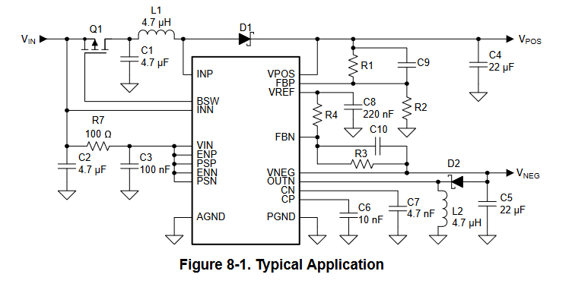
Parameter | Value | Units | Comments | Parameter | Value | Units | Comments
Positive Boost Converter |  |  |  | Inverting Boost Converter
R2 max value | 200 | kOhm |  | R4 max value | 200 | kOhm
Vpos | 15 | V | Positive boost output voltage value | Vneg | -15 | V
Vref | 1.213 | V | Positive boost output reference voltage | Vref | 1.213 | V
R2 chosen value | 47.5 | kOhm |  | R4 chosen value | 47.5 | kOhm
Ideal R1 | 539.88664468 | kOhm |  | Ideal R3 | 587.38664468 | kOhm

Chosen R1 | 536 | kOhm |  | Chosen R3 | 576 | kOhm
Actual Vpos | 14.900747368 | V |  | Actual Vpos | -14.709221053 | V

Inductor Selection (Vpos) |  |  |  | Inductor Selection (Vneg)
Vin | 5 | V |  | Vin | 5 | V
Vpos rail current requirement | 0.08 | A | power budget shows 70mA, I added safety margin | Vneg rail current requirement | 0.01 | A | power budget shows 5mA, I added safety margin
Peak inductor current I_L-P | 0.375 | A |  | Peak inductor current I_L-P | 0.0625 | A
Inductor current ripple | 0.075 | A |  | Inductor current ripple | 0.0125 | A
Converter switching frequency | 1.25 | MHz |  | Converter switching frequency | 1.25 | MHz
L1 value | 35.555555556 | uH | datasheet recommends between 3.3uH to 6.8uH | L2 value | 240 | uH | datasheet recommends between 3.3uH to 6.8uH
Go with 4.7uH for now, check performance once sample is received. May tune inductor value after receiving the boards.

Output Capacitors |  |  |  | Output Capacitors
Max allowed ripple (Delta Vpos) | 0.005 | V |  | Max allowed ripple (Delta Vneg) | 0.005 | V
Minimum output capacitance (C4) | 8.5333 | uF |  | Minimum output capacitance (C5) | 1.2 | uF
ESR of C4 | 0.01 | Ohm |  | ESR of C5 | 0.01 | Ohm
Ripple due to ESR | 0.0008 | V |  | Ripple due to ESR | 0.0001 | V

Feedforward Capacitor |  |  |  | Feedforward Capacitor
C9 value | 0 | F |  | C10 value | 0 | F
Chosen C9 value | 13 | pF |  | Chosen C10 value | 13 | pF

5V Precision Ref Biasing
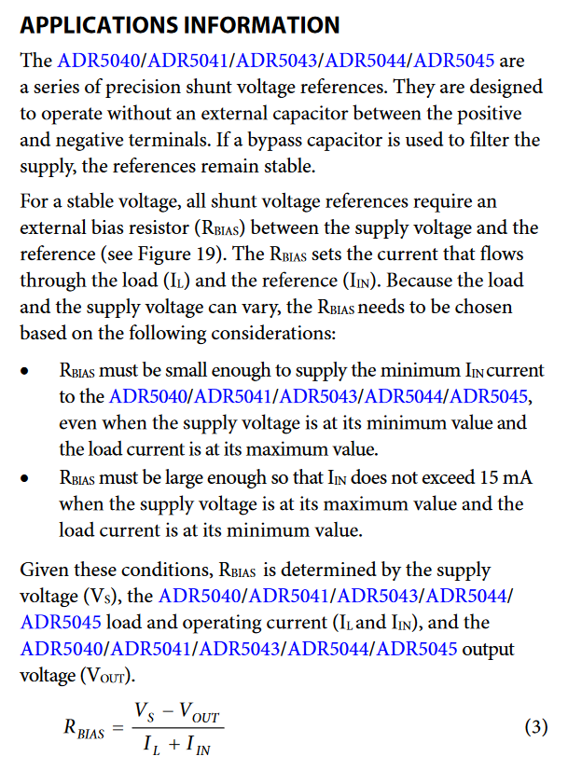
5V_A Precision Reference Biasing

Parameter | Tolerance | Min | Nom | Max | Units | Comments
ADC VREF current (load) | - | 0.00012 | 0.66 | 0.87 | mA
Shunt reference bias current | - | 1 | 1 | 1 | mA | Min. 60uA. Cannot exceed 15mA.
Total current through Rbias | - | 1.00012 | 1.66 | 1.87 | mA

Supply voltage (input to shunt) | - | 11.9 | 12 | 12.1 | V | 100mV of ripple is a lot
Shunt reference output voltage | - | 4.995 | 5 | 5.005 | V

Vin - Vshunt_out |  | 6.895 | 7 | 7.105 | V
Rbias |  | 3.69 | 4.22 | 7.10 | kOhm

Rbias calculated from Eqn 3 | - |  | 4.22 |  | kOhm | verifies my nominal calculation above

Chosen resistor value | 1% | 4.18 | 4.22 | 4.26 | kOhm
Resultant bias current |  | 0.748 | 0.999 | 1.701 | mA | Meets requirements!

ADC SPI Bandwidth
ADC SPI Bandwidth (UNFINISHED CALCULATIONS)
 |  |  | Calculations are estimation for the MCP33151-10 | Parameter | Min | Max | Units
Parameter | Value | Units | Comments | SCLK frequency | - | 100 | MHz
SPI clock frequency | 20 | MHz | shared by all ADCs | SCLK low time | 3 |  | ns
SPI clock period | 5e-08 | s |  | SCLK high time | 3 |  | ns

ADC data bits | 16 | bits | 14 bits of data, but 16 bits total in the transaction sent in groups of 8 bits | Output valid from SCLK low |  | 10 | ns
Dead time between 8-bit bursts | 5 | bits | number of equivalent clock cycles, estimated
Dead time from CS low to start of transaction | 10 | ns | t_EN in datasheet | CNVST pulse width high time | 10 |  | ns
Equivalent bits from CS low to start of transaction | 0.2 | bits
Dead time from end to CS high | 10 | ns | t_QUIET in datasheet
Equivalent bits from end to CS high | 0.2 | bits

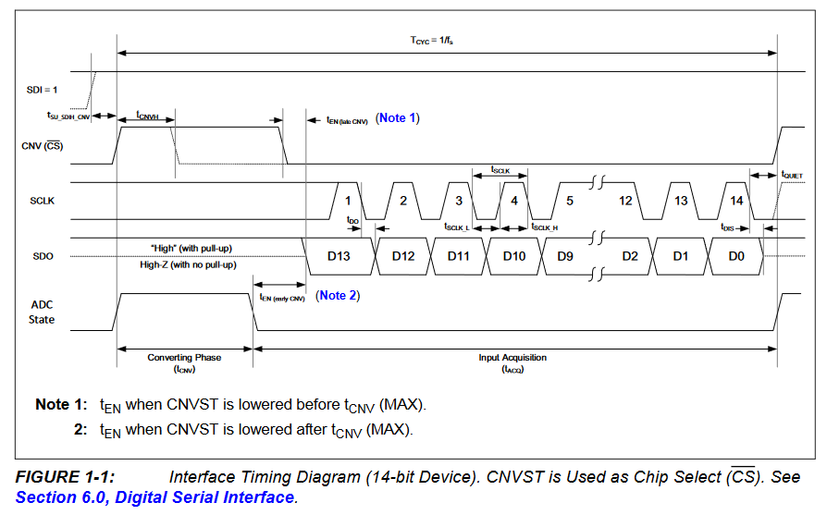

Time needed to read one sample | 2.07e-06 | s
Max samples read per second | 483091.7874396135

Data throughput
High-speed sample rate | 56000 | sps
Number of high-speed channels | 10 | -
Low-speed sample rate | 100 | sps
Number of low-speed channels | 20 | -

data bits per sample | 16 | bits
overhead per sample | 0 | bits

data throughput | 8.992 | Mbit/s

LabJack data throughput (max)
Data bits per sample | 24 | bits
overhead per sample | 0 | bits
samples per second | 100000 | sps

data throughput | 2.4 | Mbit/s

